June'12 Page 2
Monthly Performance Dashboard |  |  | 2012-06-18

Are we serving the children who need us? |  | Are our students staying with us?
YTD = 95.00%
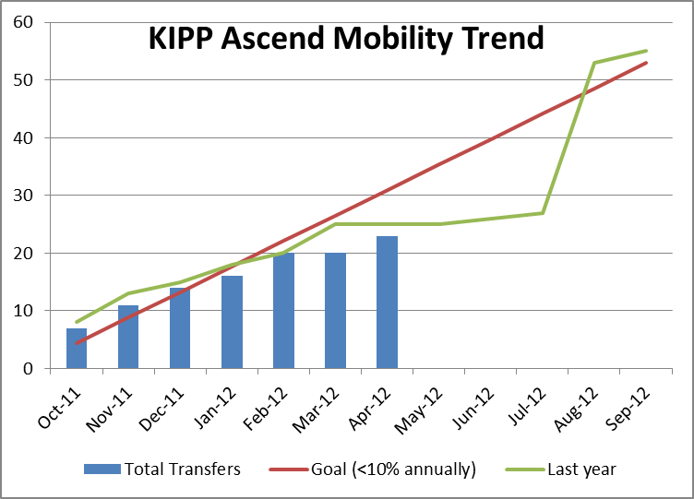
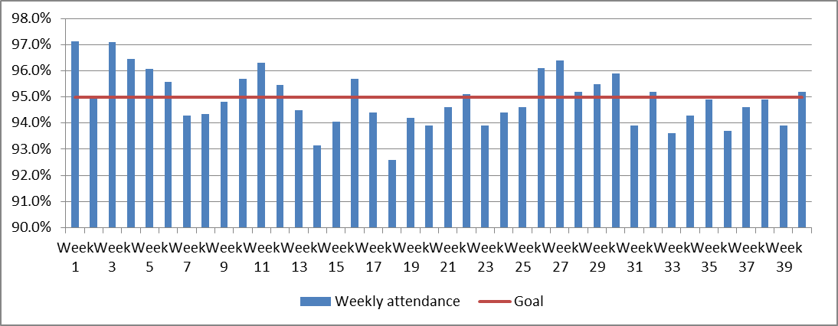
 |  |  |  |  | YTD Transfers
 |  |  |  |  | Primary: 10
 |  |  |  |  | Middle: 13
 |  |  |  |  | Total: 23

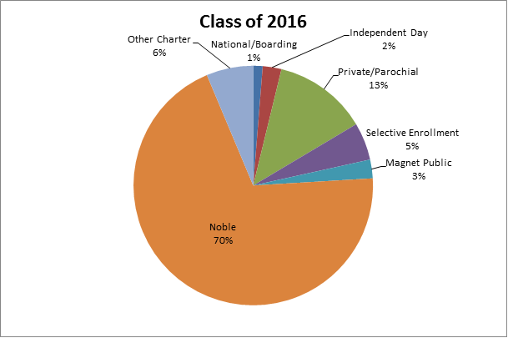
Are our students progressing and achieving academically? |  | Are our alumni climbing the mountain to and through college?
Results from 4th interim assessment from Achievement Network
 |  |  |  | 100% of our 8th grade students
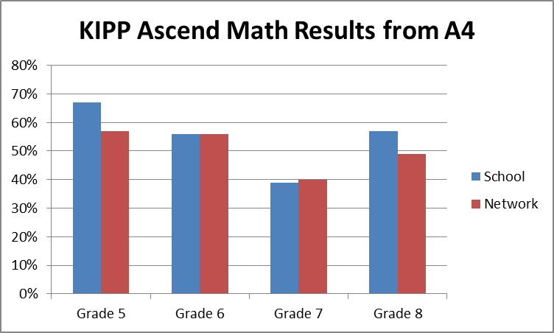
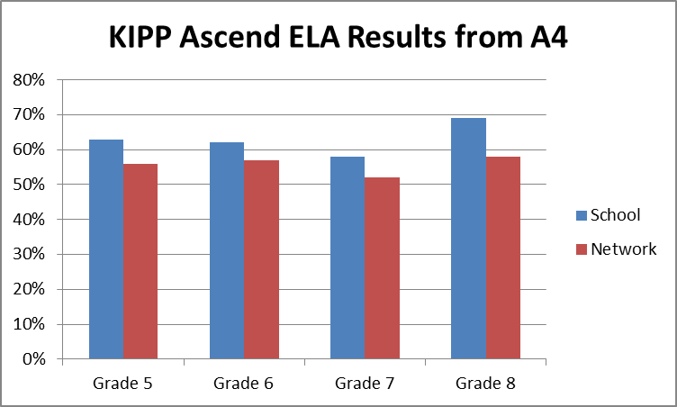
 |  |  |  | have been accepted into one
 |  |  |  | or more college-preparatory
 |  |  |  | high schools

 |  |  |  | 81% of our Class of 2012 alums
 |  |  |  | have been accepted into college

Are we building a sustainable people model? |  | Are we building a sustainable financial model?

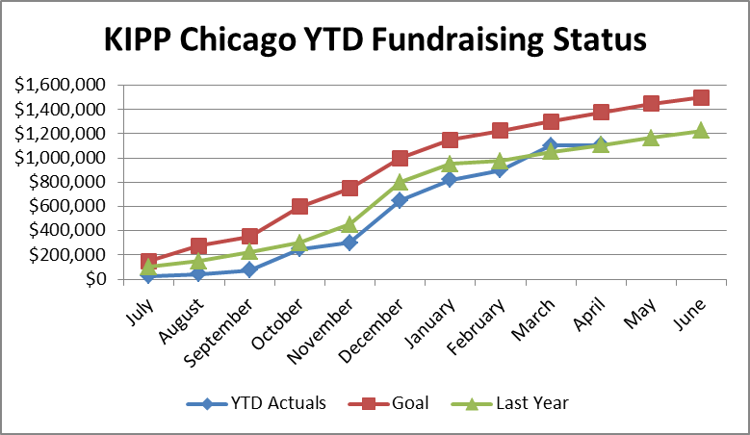
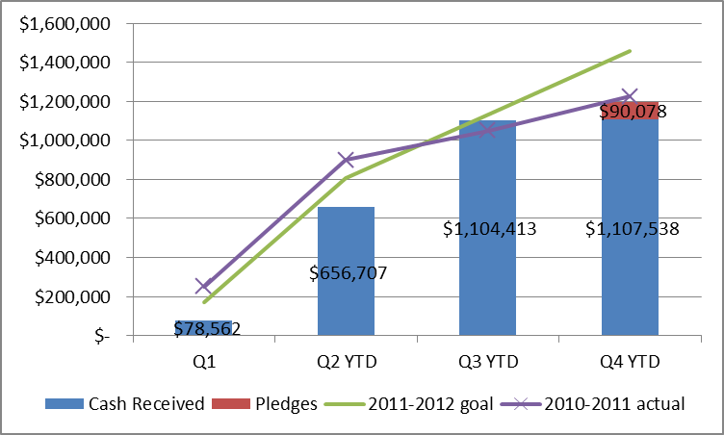
Spring '12 Q12 survey results
Average score increased at both schools to 4.3 / 5.0 across 12 questions

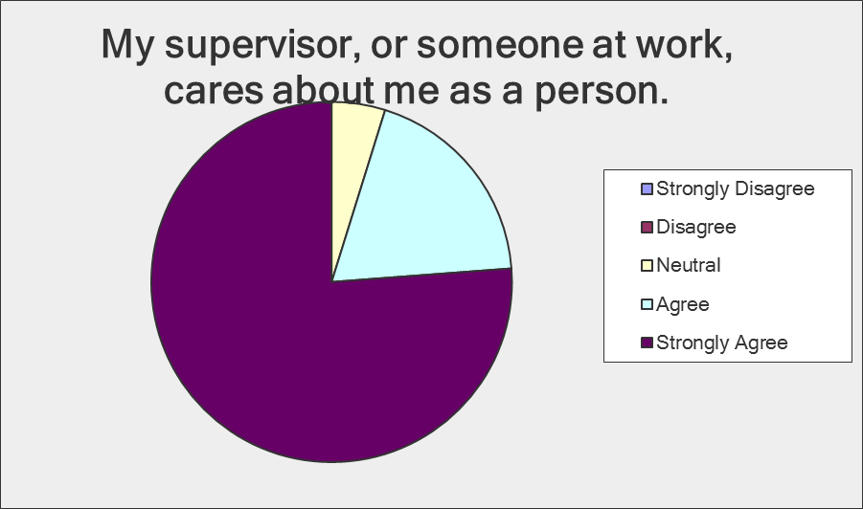

Question with highest response | Question with lowest response

Average = 4.7
Average = 3.7

Academic Summary
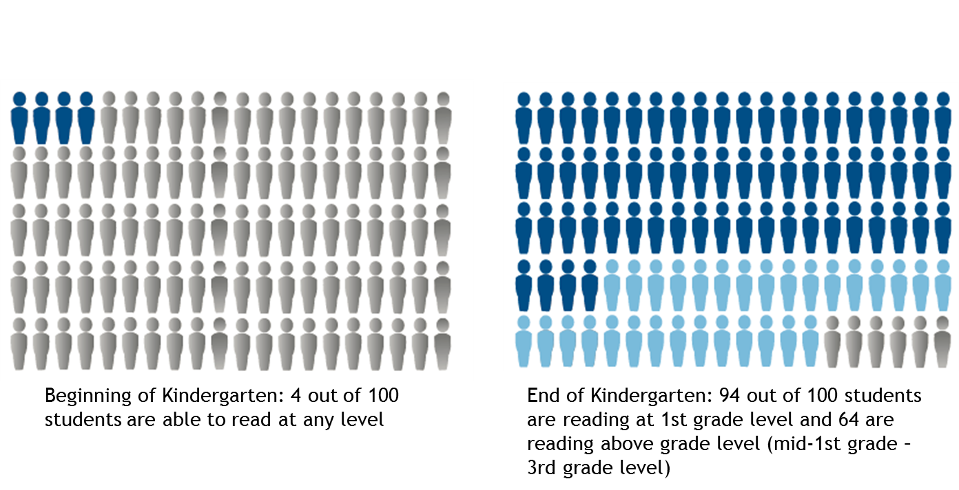

Academic Dashboard |  | 2012-06-18

Impressive MAP Growth over 18 months | ISAT Improvement for last year's 8th graders
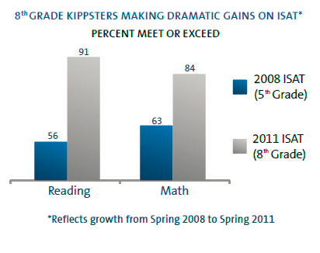
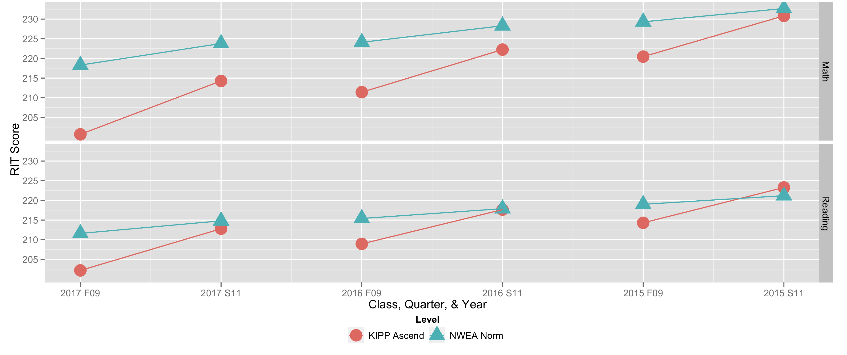

KIPP Ascend's incoming students typically trail their peers | Last year's 8th graders ISAT performance relative to CPS
Reading
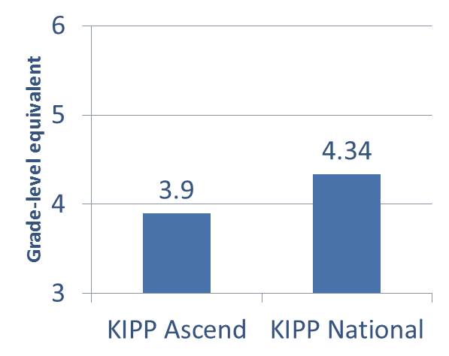
Math
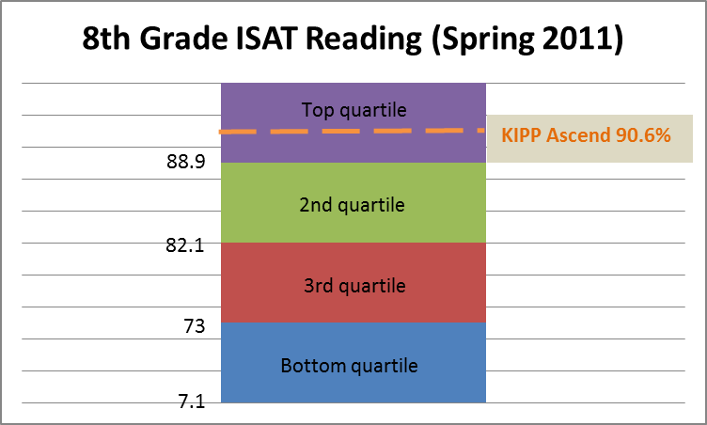
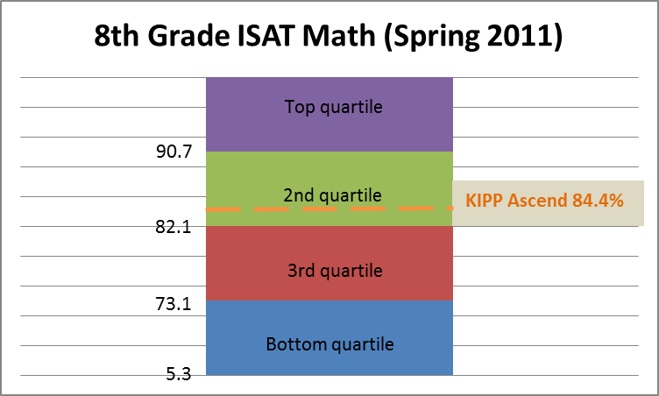
NWEA national norm

73% of incoming 5th graders enrolled in KIPP reading below grade-level

Source: Fountas and Pinnell Reading Assessment for 5th grade class in Fall 2010
Source: NWEA MAP testing for 5th grade students Nov’10

Impressive growth for our inaugural Kindergarten class | College Matriculation

Demographics
 |  |  |  |  |  |  |  |  |  |  |  |  |  |  |  |  | YTD Suspensions by Grade:
 |  |  |  |  |  |  |  |  |  |  |  |  |  | Weekly attendance | Goal |  | K | 4
 |  |  |  |  |  |  |  |  |  |  |  |  | Week 1 | 97.1% | 95.0% |  | 1st | 10
 |  |  |  |  |  |  |  |  |  |  |  |  | Week 2 | 95.0% | 95.0% |  | 5th | 7
 |  |  |  |  |  |  |  |  |  |  |  |  | Week 3 | 97.1% | 95.0% |  | 6th | 9
 |  |  |  |  |  |  |  |  |  |  |  |  | Week 4 | 96.4% | 95.0% |  | 7th | 7
 |  |  |  |  |  |  |  |  |  |  |  |  | Week 5 | 96.1% | 95.0% |  | 8th | 21
 |  |  |  |  |  |  |  |  |  |  |  |  | Week 6 | 95.6% | 95.0%
 |  |  |  |  |  |  |  |  |  |  |  |  | Week 7 | 94.3% | 95.0%
 |  |  |  |  |  |  |  |  |  |  |  |  | Week 8 | 94.4% | 95.0%
 |  |  |  |  |  |  |  |  |  |  |  |  | Week 9 | 94.8% | 95.0%
 |  |  |  |  |  |  |  |  |  |  |  |  | Week 10 | 95.7% | 95.0%
 |  |  |  |  |  |  |  |  |  |  |  |  | Week 11 | 96.3% | 95.0%
 |  |  |  |  |  |  |  |  |  |  |  |  | Week 12 | 95.5% | 95.0%
 |  |  |  |  |  |  |  |  |  |  |  |  | Week 13 | 94.5% | 95.0%
 |  |  |  |  |  |  |  |  |  |  |  |  | Week 14 | 93.2% | 95.0%
 |  |  |  |  |  |  |  |  |  |  |  |  | Week 15 | 94.0% | 95.0%
 |  |  |  |  |  |  |  |  |  |  |  |  | Week 16 | 95.7% | 95.0%
 |  |  |  |  |  |  |  |  |  |  |  |  | Week 17 | 94.4% | 95.0%
 |  |  |  |  |  |  |  |  |  |  |  |  | Week 18 | 92.6% | 95.0%
 |  |  |  |  |  |  |  |  |  |  |  |  | Week 19 | 94.2% | 95.0%
 |  |  |  |  |  |  |  |  |  |  |  |  | Week 20 | 93.9% | 95.0%
 |  |  |  |  |  |  |  |  |  |  |  |  | Week 21 | 94.6% | 95.0%
 |  |  |  |  |  |  |  |  |  |  |  |  | Week 22 | 95.1% | 95.0%
 |  |  |  |  |  |  |  |  |  |  |  |  | Week 23 | 93.9% | 95.0%
 |  |  |  |  |  |  |  |  |  |  |  |  | Week 24 | 94.4% | 95.0%
 |  |  |  |  |  |  |  |  |  |  |  |  | Week 25 | 94.6% | 95.0%
 |  |  |  |  |  |  |  |  |  |  |  |  | Week 26 | 96.1% | 95.0%
 |  |  |  |  |  |  |  |  |  |  |  |  | Week 27 | 96.4% | 95.0%
 |  |  |  |  |  |  |  |  |  |  |  |  | Week 28 | 95.2% | 95.0%
 |  |  |  |  |  |  |  |  |  |  |  |  | Week 29 | 95.5% | 95.0%
 |  |  |  |  |  |  |  |  |  |  |  |  | Week 30 | 95.9% | 95.0%
 |  |  |  |  |  |  |  |  |  |  |  |  | Week 31 | 93.9% | 95.0%
 |  |  |  |  |  |  |  |  |  |  |  |  | Week 32 | 95.2% | 95.0%
 |  |  |  |  |  |  |  |  |  |  |  |  | Week 33 | 93.6% | 95.0%
 |  |  |  |  |  |  |  |  |  |  |  |  | Week 34 | 94.3% | 95.0%
 |  |  |  |  |  |  |  |  |  |  |  |  | Week 35 | 94.9% | 95.0%
 |  |  |  |  |  |  |  |  |  |  |  |  | Week 36 | 93.7% | 95.0%
 |  |  |  |  |  |  |  |  |  |  |  |  | Week 37 | 94.6% | 95.0% | KAP | Weekly attendance | Goal | KACS | Weekly attendance | Goal
 |  |  |  |  |  |  |  |  |  |  |  |  | Week 38 | 94.9% | 95.0% | Week 1 | 95.88% | 95.0% | Week 1 | 97.84% | 95.0%
 |  |  |  |  |  |  |  |  |  |  |  |  | Week 39 | 93.9% | 95.0% | Week 2 | 93.98% | 95.0% | Week 2 | 95.62% | 95.0%
 |  |  |  |  |  |  |  |  |  |  |  |  | Week 40 | 95.2% | 95.0% | Week 3 | 96.14% | 95.0% | Week 3 | 97.67% | 95.0%
 |  |  |  |  |  |  |  |  |  |  |  |  |  |  |  | Week 4 | 96.24% | 95.0% | Week 4 | 96.55% | 95.0%
 |  |  |  |  |  |  |  |  |  |  |  |  |  |  |  | Week 5 | 95.48% | 95.0% | Week 5 | 96.45% | 95.0%
 |  |  |  |  |  |  |  |  |  |  |  |  |  |  |  | Week 6 | 95.93% | 95.0% | Week 6 | 95.34% | 95.0%
 |  |  |  |  |  |  |  |  |  |  |  |  |  |  |  | Week 7 | 94.65% | 95.0% | Week 7 | 94.09% | 95.0%
 |  |  |  |  |  |  |  |  |  |  |  |  |  |  |  | Week 8 | 92.49% | 95.0% | Week 8 | 95.46% | 95.0%
 |  |  |  |  |  |  |  |  |  |  |  |  |  |  |  | Week 9 | 95.47% | 95.0% | Week 9 | 94.43% | 95.0%
 |  |  |  |  |  |  |  |  |  |  |  |  |  |  |  | Week 10 | 97.29% | 95.0% | Week 10 | 94.73% | 95.0%
 |  |  |  |  |  |  |  |  |  |  |  |  |  |  |  | Week 11 | 96.16% | 95.0% | Week 11 | 96.39% | 95.0%
 |  |  |  |  |  |  |  |  |  |  |  |  |  |  |  | Week 12 | 95.17% | 95.0% | Week 12 | 95.61% | 95.0%
 |  | K |  | 1 |  | 5 |  | 6 |  | 7 |  | 8 |  |  |  | Week 13 | 93.66% | 95.0% | Week 13 | 94.94% | 95.0%
 |  | # days | # present | # days | # present | # days | # present | # days | # present | # days | # present | # days | # present |  |  | Week 14 | 94.00% | 95.0% | Week 14 | 92.65% | 95.0%
2012-08-22 | Week 1 | 365 | 347.5 | 497 | 479 | 335 | 327 | 396 | 392 | 411 | 402 | 385 | 373 |  |  | Week 15 | 93.72% | 95.0% | Week 15 | 94.24% | 95.0%
2012-08-29 | Week 2 | 461 | 429 | 502 | 476 | 373 | 353 | 425 | 405 | 430 | 416 | 394 | 377 |  |  | Week 16 | 95.75% | 95.0% | Week 16 | 95.65% | 95.0%
2012-09-06 | Week 3 | 397 | 385 | 407 | 388 | 327 | 321 | 345 | 342 | 344 | 334 | 316 | 304 |  |  | Week 17 | 93.32% | 95.0% | Week 17 | 95.16% | 95.0%
2012-09-12 | Week 4 | 502 | 484 | 509 | 489 | 423 | 406 | 435 | 423 | 430 | 418 | 395 | 378 |  |  | Week 18 | 91.51% | 95.0% | Week 18 | 93.25% | 95.0%
2012-09-19 | Week 5 | 501 | 480 | 516 | 491 | 423 | 410 | 442 | 421 | 430 | 416 | 395 | 383 |  |  | Week 19 | 91.29% | 95.0% | Week 19 | 95.93% | 95.0%
2012-09-26 | Week 6 | 500 | 484 | 520 | 494.5 | 421 | 394 | 445 | 423 | 436 | 420 | 395 | 381 |  |  | Week 20 | 90.95% | 95.0% | Week 20 | 95.60% | 95.0%
2012-10-03 | Week 7 | 499 | 476 | 520 | 488.5 | 425 | 396 | 448 | 427 | 440 | 410 | 395 | 374 |  |  | Week 21 | 93.94% | 95.0% | Week 21 | 94.93% | 95.0%
2012-10-10 | Week 8 | 396 | 367 | 416 | 384 | 340 | 315 | 360 | 342 | 349 | 339 | 316 | 307 |  |  | Week 22 | 95.15% | 95.0% | Week 22 | 95.12% | 95.0%
2012-10-17 | Week 9 | 495 | 471 | 520 | 498 | 412 | 390 | 445 | 422 | 435 | 406 | 395 | 375 |  |  | Week 23 | 92.39% | 95.0% | Week 23 | 94.78% | 95.0%
2012-10-24 | Week 10 | 396 | 384 | 416 | 406 | 328 | 310 | 356 | 332 | 348 | 332 | 316 | 303 |  |  | Week 24 | 92.77% | 95.0% | Week 24 | 95.41% | 95.0%
2012-10-31 | Week 11 | 392 | 380 | 416 | 397 | 334 | 319 | 356 | 344 | 352 | 342 | 316 | 304 |  |  | Week 25 | 93.37% | 95.0% | Week 25 | 95.27% | 95.0%
2012-11-07 | Week 12 | 392 | 374 | 416 | 395 | 332 | 313 | 356 | 342 | 352 | 337.5 | 316 | 304 |  |  | Week 26 | 95.92% | 95.0% | Week 26 | 96.13% | 95.0%
2012-11-14 | Week 13 | 490 | 449 | 520 | 497 | 420 | 392 | 445 | 429 | 440 | 417 | 395 | 376 |  |  | Week 27 | 96.56% | 95.0% | Week 27 | 96.29% | 95.0%
2012-11-21 | Week 14 | 194 | 181 | 206 | 195 | 168 | 151 | 178 | 172 | 176 | 161 | 158 | 146 |  |  | Week 28 | 93.98% | 95.0% | Week 28 | 95.80% | 95.0%
2012-11-28 | Week 15 | 490 | 450 | 513 | 490 | 420 | 390 | 445 | 426 | 440 | 419 | 395 | 367 |  |  | Week 29 | 95.41% | 95.0% | Week 29 | 95.52% | 95.0%
2012-12-05 | Week 16 | 490 | 472.5 | 510 | 485 | 420 | 399 | 445 | 434 | 440 | 418 | 395 | 375 |  |  | Week 30 | 95.92% | 95.0% | Week 30 | 96.03% | 95.0%
2012-12-12 | Week 17 | 485 | 446.5 | 510 | 482 | 415 | 391 | 445 | 422 | 440 | 428 | 395 | 372 |  |  | Week 31 | 93.49% | 95.0% | Week 31 | 94.11% | 95.0%
2012-12-19 | Week 18 | 388 | 353.5 | 407 | 374 | 332 | 299.5 | 356 | 332 | 352 | 331 | 316 | 302 |  |  | Week 32 | 94.90% | 95.0% | Week 32 | 95.38% | 95.0%
2012-01-10 | Week 19 | 388 | 344 | 404 | 379 | 332 | 314 | 356 | 341 | 348 | 331 | 316 | 311 |  |  | Week 33 | 93.47% | 95.0% | Week 33 | 93.57% | 95.0%
2012-01-16 | Week 20 | 388 | 344 | 408 | 380 | 332 | 308.5 | 356 | 346 | 348 | 336 | 316 | 302 |  |  | Week 34 | 93.37% | 95.0% | Week 34 | 94.88% | 95.0%
2012-01-23 | Week 21 | 384 | 363 | 408 | 381 | 332 | 310.5 | 356 | 334 | 348 | 332 | 316 | 307 |  |  | Week 35 | 93.85% | 95.0% | Week 35 | 95.58% | 95.0%
2012-01-30 | Week 22 | 480 | 452 | 510 | 490 | 415 | 385 | 446 | 423 | 435 | 423 | 395 | 377.5 |  |  | Week 36 | 92.92% | 95.0% | Week 36 | 94.15% | 95.0%
2012-02-06 | Week 23 | 480 | 453 | 506 | 458 | 415 | 380 | 450 | 431 | 435 | 419 | 395 | 376.5 |  |  | Week 37 | 93.23% | 95.0% | Week 37 | 95.39% | 95.0%
2012-02-13 | Week 24 | 384 | 354 | 404 | 377 | 328 | 303 | 360 | 338 | 348 | 340 | 316 | 309 |  |  | Week 38 | 94.62% | 95.0% | Week 38 | 95.00% | 95.0%
2012-02-20 | Week 25 | 384 | 363 | 400 | 369 | 328 | 302 | 360 | 346 | 348 | 331 | 316 | 309 |  |  | Week 39 | 93.2% | 95.0% | Week 39 | 94.42% | 95.0%
2012-02-27 | Week 26 | 480 | 466 | 500 | 474 | 406 | 388 | 445 | 424 | 435 | 427 | 395 | 377 |  |  | Week 40 | 89.17% | 95.0% | Week 40 | 98.72% | 95.0%
2012-03-05 | Week 27 | 384 | 371 | 400 | 386 | 326 | 308 | 356 | 337 | 348 | 340 | 316 | 311
KIPP Ascend Primary Attendance Trend
2012-03-12 | Week 28 | 480 | 444 | 500 | 477 | 405 | 381 | 445 | 423.5 | 435 | 422 | 395 | 383
2012-03-19 | Week 29 | 480 | 453 | 500 | 482 | 405 | 380 | 440 | 429 | 435 | 423 | 395 | 368
2012-04-02 | Week 30 | 384 | 367 | 400 | 385 | 320 | 301 | 352 | 337 | 348 | 339 | 316 | 306
2012-04-09 | Week 31 | 384 | 356 | 400 | 377 | 316 | 292 | 352 | 327 | 348 | 334 | 316 | 300.5
2012-04-16 | Week 32 | 480 | 452 | 500 | 478 | 395 | 380 | 440 | 423 | 435 | 421 | 395 | 364
2012-04-23 | Week 33 | 480 | 444 | 500 | 472 | 395 | 366 | 440 | 418 | 435 | 413 | 395 | 361
2012-04-30 | Week 34 | 480 | 440 | 500 | 475 | 395 | 377 | 432 | 405 | 435 | 413 | 390 | 372.5
2012-05-07 | Week 35 | 480 | 455 | 495 | 460 | 395 | 375 | 430 | 412 | 435 | 415 | 390 | 375
2012-05-14 | Week 36 | 480 | 444 | 495 | 462 | 395 | 364 | 430 | 404.5 | 435 | 411 | 390 | 374
2012-05-21 | Week 37 | 480 | 448 | 495 | 461 | 395 | 367 | 430 | 417 | 435 | 409 | 390 | 381
2012-05-28 | Week 38 | 384 | 363 | 396 | 375 | 316 | 295 | 344 | 329 | 348 | 323 | 312 | 307
2012-06-04 | Week 39 | 480 | 446 | 494 | 462 | 395 | 370 | 430 | 414 | 435 | 384 | 390 | 390
2012-06-11 | Week 40 | 475 | 433.5 | 490 | 427 | 390 | 369 | 430 | 430 | 435 | 435 | 390 | 390

KIPP Ascend Charter School Attendance Trend
 |  |  |  |  |  | Cumulative YTD Attendance
 |  |  |  |  |  | Primary | 94.18%
 |  |  |  |  |  | Middle | 95.38%

Mobility
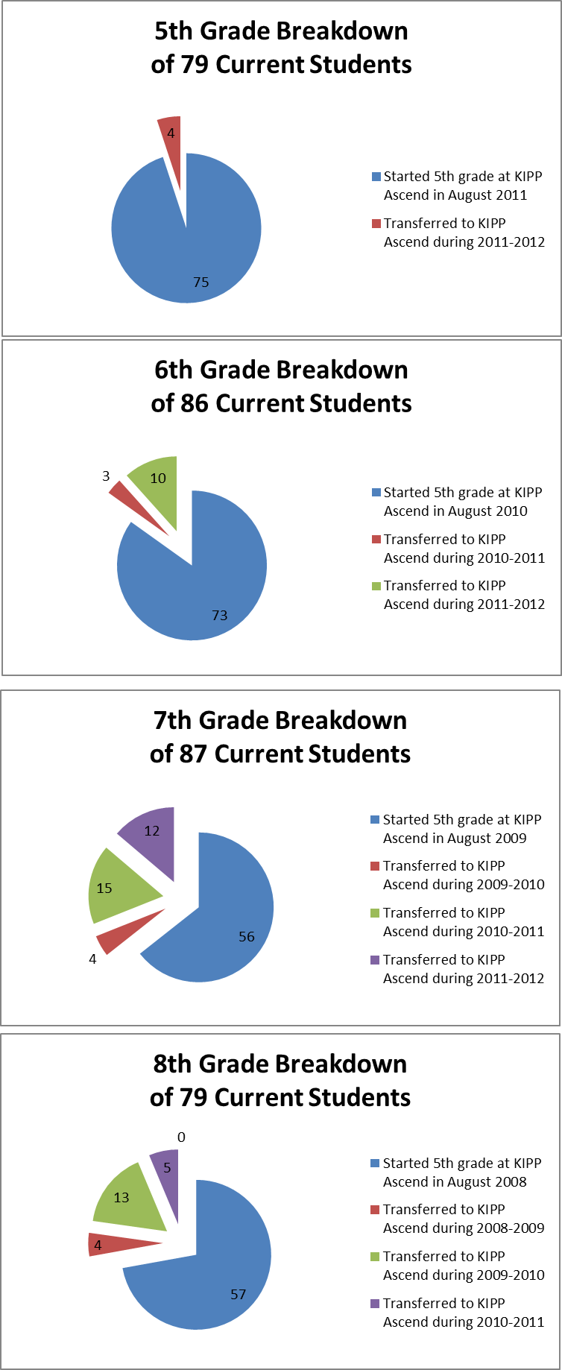
Student Retention Goal: KIPP Ascend have a student attrition rate of less than 10% between October 1, 2011 and September 30th, 2012. |  |  |  |  |  |  | May 2012 Mobility Analysis;
 |  |  |  |  |  |  | How many of our students have been with us since start of 5th grade?
Description of students who have transferred out thus far in 2011-2012:
 |  |  |  | Total Transfers | Goal (<10% annually) | Last year
Date Transferred | Grade | Reason | Oct-11 | 7 | 4.4 | 8
2011-10-14 | 6 | Bus Safety | Nov-11 | 11 | 8.8 | 13
2011-10-12 | 7 | Move | Dec-11 | 14 | 13.3 | 15
2011-10-17 | 5 | Too strict/bus issues | Jan-12 | 16 | 17.7 | 18
2011-10-18 | 5 | Too strict/no textbooks | Feb-12 | 20 | 22.1 | 20
2011-10-18 | 5 | Too strict/location | Mar-12 | 20 | 26.5 | 25
2011-11-07 | 5 | Transportation/Personal Reasons | Apr-12 | 23 | 30.9 | 25
2011-11-07 | 5 | Transportation/Personal Reasons | May-12 |  | 35.3 | 25
2011-10-15 | Primary | School too strict | Jun-12 |  | 39.8 | 26
2011-10-27 | Primary | Moved out of Chicago | Jul-12 |  | 44.2 | 27
2011-11-07 | Primary | Moved out of Chicago | Aug-12 |  | 48.6 | 53
2011-11-22 | Primary | Moved out of Chicago | Sep-12 |  | 53.0 | 55
KIPP Ascend Mobility Trend
 | Total Transfers | Goal (<10% annually) | Last year
Oct-11 | 7 | 4.4 | 8
Nov-11 | 11 | 8.8 | 13
Dec-11 | 14 | 13.3 | 15
Jan-12 | 16 | 17.7 | 18
Feb-12 | 20 | 22.1 | 20
Mar-12 | 20 | 26.5 | 25
Apr-12 | 23 | 30.9 | 25
May-12 |  | 35.3 | 25
Jun-12 |  | 39.8 | 26
Jul-12 |  | 44.2 | 27
Aug-12 |  | 48.6 | 53
Sep-12 |  | 53.0 | 55
2011-12-01 | Primary | Academic Concerns
2011-12-05 | Primary | Academic Concerns
2011-12-22 | Primary | Moving
2012-01-23 | Primary | Unable to locate
2012-01-12 | Middle | Moving
2012-02-07 | Primary | Transportation
Feb-12 | Middle | ??
2012-02-21 | Primary | Transportation
2012-02-12 | Middle | ??
Apr-12 | Middle | ??
May-12 | Middle | ??
Jun-12 | Middle | ??

Academic Results
Anet results from 4rd round of interim assessments given in April'12




KIPP Ascend Primary YTD Reading Improvements (K)
KIPP Ascend YTD Reading Improvements (K)
 |  | August'11 | October'11 | January'12 | April '12
 | Late 1st | 0% | 0% | 6% | 33%
 | Mid 1st | 0% | 2% | 26% | 33%
 | Early 1st | 0% | 7% | 32% | 21%
 | End K | 3% | 39% | 20% | 6%
 | Mid K | 2% | 24% | 8% | 4%
 | Early K | 95% | 28% | 7% | 2%

KIPP Ascend Primary YTD Reading Improvements (1st)
KIPP Ascend Primary YTD Reading Improvements (1st)
 |  | August'11 | December '11 | April '12
 | Mid 2nd | 5% | 16% | 30%
 | Early 2nd | 6% | 8% | 22%
 | Late 1st | 5% | 19% | 19%
 | Mid 1st | 22% | 15% | 17%
 | Early 1st | 33% | 30% | 10%
 | Kinder | 30% | 11% | 2%

